Instructions
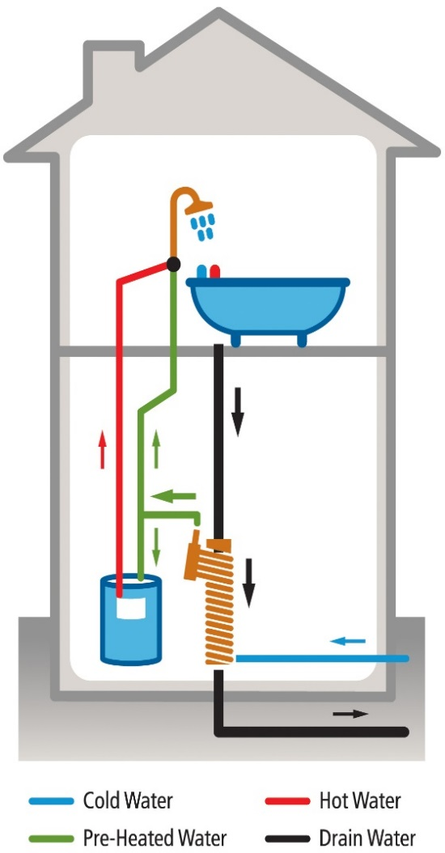
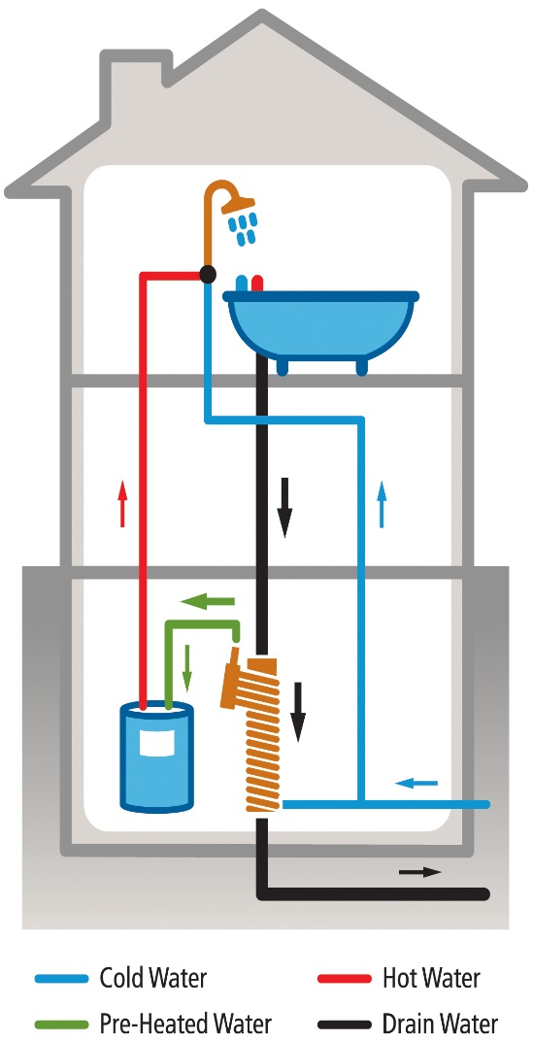
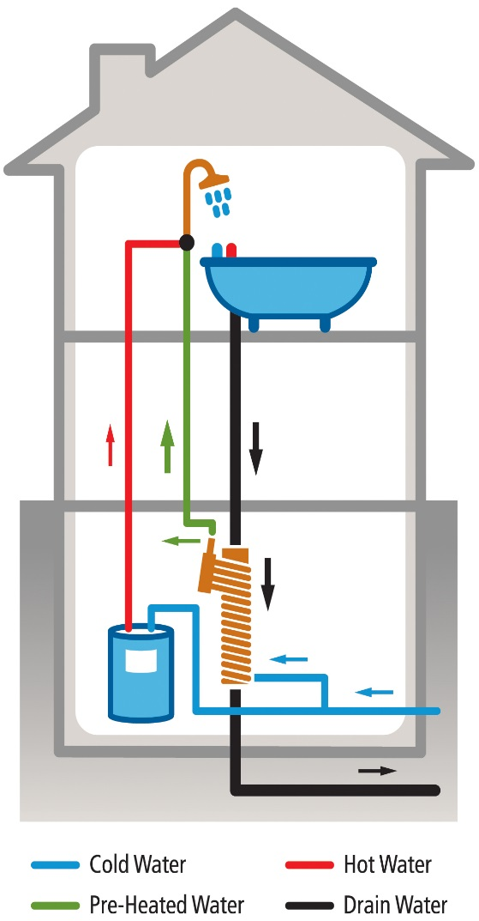
Instructions for Completing DWHR Credit Calculations
1. | Fill in the Input Sheet completely
 | NOTE: If If the annual average temperature for the home site is not available in the HERS software tool, it may be obtained at the following URL
 |  |  | http://www.weatherbase.com/weather/state.php3?c=US
 | Instructions for DWHR Installation inputs
 |  | Showers/Baths connected
 |  |  | select 'one' if there are multiple shower/bath facilities and only one facility is connected to a DWHR unit
 |  |  | select 'all' if there is only one shower/bath facility and it is connected to a DWHR unit
 |  |  |  | OR select 'all' if there are multiple shower/bath facilities in the home and at least two facilities are connected to DWHR units
 |  | Equal flow?
 |  |  | select 'yes' if DWHR unit(s) pre-heats water to both the shower/bath cold water piping and to the water heater potable supply piping
 |  |  |  | See Figure 1 below (note: other cold water fixtures may also be connected)
 |  |  | select 'no' if DWHR unit(s) pre-heats water only to the water heater potable supply piping
 |  |  |  | See Figure 2 below
 |  |  | select 'no' if DWHR pre-heats water only to the shower/bath cold water piping
 |  |  |  | See Figure 3 below (note: other cold water fixtures may also be connected)
 |  | CSA B55.1 DWHR Efficiency (or Effectiveness)
 |  |  | enter the DWHR Efficiency as labelled on the unit and provided by a certified testing agency (e.g. ETL, UL, CSA)
 |  |  | if more than one DWHR units is used, enter the average efficiency of DWHR units used
 |  | Fixture efficiency
 |  |  | select 'standard' unless ALL showers and faucets are ≤2.0 gpm
 |  |  | select 'low-flow' if ALL showers and faucets are ≤2.0 gpm
2. | Save the completed DWHR spreadsheet using a unique file name
3. | Print and sign the Credit Report
4. | Submit the signed Credit Report and a copy of this spreadsheet to your Quality Assurance Provider.

 | Figure 1: Equal Flow |  |  |  | Figure 2: Unequal Flow to Water Heater Only | Figure 3: Unequal Flow to Fixture(s) Only

