Instructions & SetUp

 | Instructions & Set Up: |  | Reminders:
 | Step 1 - Enter the QA Evaluation Period End Date |  | > Only include QA reviews completed in your Providership, do NOT include reviews completed by any other Providership.
 | Current Evaluation Period Ends → | 2026-12-31 | > Check the instructions for each column located in Rows 4-7 of the Eligibility Tracker & Row 5 of the QA Log.
 | Description: This date should be Decemeber 31st of the QA year you are tracking Remote QA eligibility for. This allows for this tracker to be used for different QA years. |  | > Check the Comments linked to the column headers for information about highlighted cells. To do this hover your mouse over the column header, the comment will appear. > RoR refers to Rater of Record & RFO refers to Rater-Field Only
 |  |  | > Collapse & Expand columns or rows in the Eligibility Tracker using the + & - signs in the row/column margins
 | Step 2 - Determine Initial Certification Eligibility Method
 | Remote Eligibility for Initial Cert. Period based on → | Total Avg. %
 | Description: When a Rater or RFI certified in your Providership has completed 5 in-field field QAs within their initial certification period they may be eligible for Remote QA if their average QA scores are >=90%. QADs have the option of calculating the average QA scores for these individuals in one of two ways (outlined below). The option selected MUST apply to all individuals qualifying for Remote Field QA and MUST be included in the Provider's policy & procedures manual. |  |  | 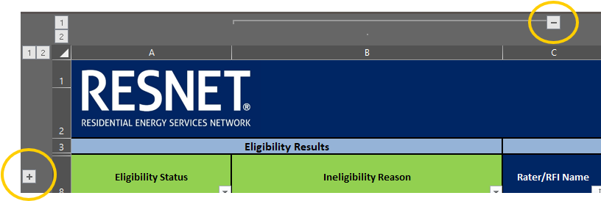
 | Option 1: Total Average % Averages all file & field QA reviews conducted on that individual since the start of their initial certification period.
 | Option 2: Prev. Eval Period Avg. % Averages all file & field QA reviews conducted on that individual in the previous QA Evaluation period.

 | Step 3 - Input Required Information
 | Headers In BLUE = Data Entry Required
 | Headers In GREEN = Formula/Auto-fill
 | Headers In PURPLE = May not be required for all verifiers
 | Start by entering data into the Eligibility Tracker. Then enter data into the QA Log.

 | Step 4 - Verify Missing Data
 | Check both the QA Log & Eligibility Tracker tabs for any fields highlighted in ORANGE. These fields need to be filled in to accurately calculate Remote QA eligibility. Check the "Eligibility Status" (column A) &, if applicable, the "Reinstatement Eligibility Status" (column AB) colums to see if any information is missing for those calculations.

